Notes
WSDOT Large Woody Material for stream restoration metrics calculator
Use this spreadsheet to confirm LWM metrics are met.
The following are color-coded steps matching the colors in the relevant area on the "LWM metrics calculator" tab

1) Enter relevant project information in the orange boxes
 | -This includes stream name, highway number (if applicable), length of channel regrade section, bankfull width, and Forest Zone
 | -to look up Forest Zone, see worksheet labelled 'Forest Zone'

2) The spreadsheet will automatically populate metric values in the lavendar boxes

3) Enter mid-point diamter and length (including rootwad, if attached) into the yellow boxes for however many log dimension combinations you want

4) Compare the results in the 3 light blue boxes |  |  |  | to the targets in the light green boxes

 | if targets are met or exceeded, you are done
 | OR
 | if targets are not met, change log dimensions and/or number to meet or exceed targets

5) Use calculated Dbh in the gray cells for stability calculations, construction drawings and specifications

the diagram below explains the components of log volume calculations
additional information on derivation of some log dimensions follows.

DBH
Midpoint
Diameter (Dmp)
4.5' above root
wad collar
L
L/2
L/2
h-bh
Lrw

Diameter at breast height (DBH) calculated from midpoint diameter using log taper coefficient:
 | This calculation enables the sourcing of LWM using the standard parameter of diameter at breast height - commonly assumed 4.5' about the ground),
 | while keeping the LWM metrics calculator consistent with the Fox and Bolton field measurement of midpoint diameter.

 | Dh = | Dbh + pb *(h-bh) |  |  | From | Larsen, 2017

 | where: | Dh = | diameter of log, at a given height
 |  | Dbh = | diameter at breast height
 |  | pb = | stem taper coefficient for given tree species |  |  | (-0.01554 average for Pacific Northwest Douglas Fir; personal comm., USDA Forest Service, 2020)
 |  | h = | height at given point of tree bole
 |  | bh = | breast height

 | Therefore:
 | Dbh = | Dh - pb*(h-bh)

 | Note that when:
 |  | h = height at midpoint diameter
 |  | Dh = midpoint diameter (Dmp)
 | and | that:
 |  | h-bh = L/2-4.5-Lrw

 |  | where:
 |  | Lrw = length of the rootwad on the vertical axis
 |  | L/2 = length at the midpoint of the log

 |  | For the purposes of this speadsheet, Lrw is calculated as in Rafferty, 2017:
 |  | Lrw = Dbh *LFrw
 |  |  | where: LFrw = Length Factor of rootwad = 1.5
 |  | we assume that for this calculation Dbh is approximated by MPd

 | Therefore:
 | Dbh = | Dmp - (pb*(L/2)-4.5-(Dmp*1.5))

note that for Pacific Northwest Douglas Fir, the industry standard for bole taper is -0.0156 (USDA Forest Service, pers. Comm. 2020)

Rafferty, M. 2017. Computational Design Tool for Evaluating the Stability of Large Wood Structures. Technical Note TN-103.2. Fort Collins, CO: U.S. Department of Agriculture, Forest Service, National Stream & Aquatic Ecology Center. 27 p

Forest Region
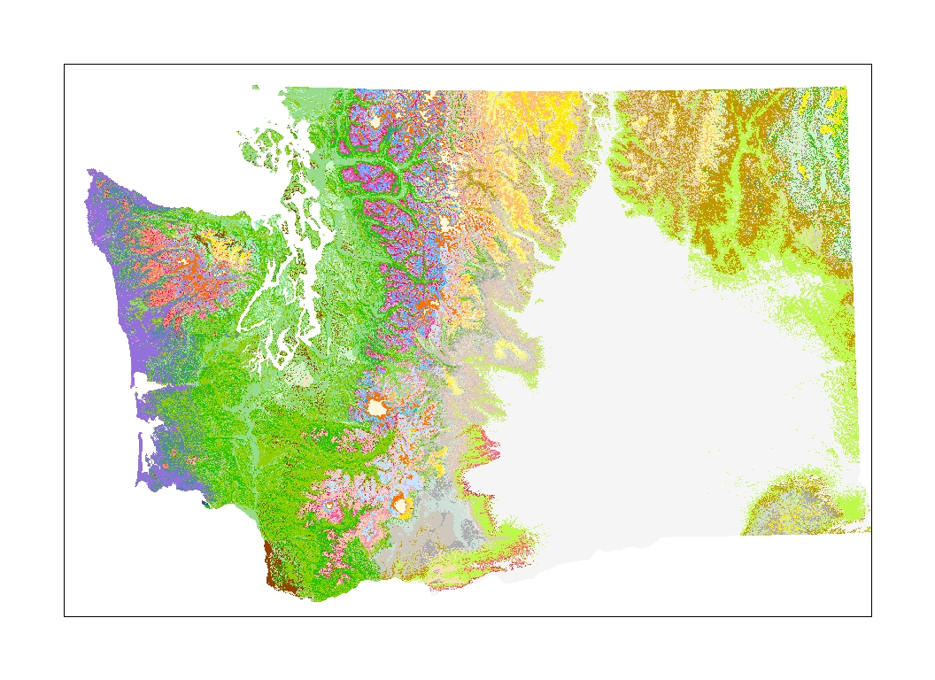

Forest zones groupings to form Forest Regions for wood metrics based on similar wood loads

 | Forest Region: | Western WA | Alpine | Douglas-fir and Ponderosa pine
 | Forest Zones | Sitka Spruce | Subalpine fir | Douglas-fir
 |  | Western hemlock | Parklands | Ponderosa pine
 |  | Pacific Silver-fir | Grand fir
 |  | Mountain hemlock

Description of Forest Zones (modified from Fox 2001, with permission)
Riparian Influence
The characteristics of riparian trees will influence instream wood. Rot et al. (2000) found the diameter of instream LWD increased with riparian stand age, and that stand age and mean stem diameter were correlated. Tree age varies considerably within older Western Hemlock/ Douglas fir forests. Tappeiner et al. (1997) found age in old-growth stands ranged between 50 and 414 years at one site, and median age differences of 187 years from 10 sites of the same region. Timber on the Olympic Peninsula, often older than 700 years (Henderson, unpublished data), can produce large diameter instream wood. Indeed, in streams draining old-growth forests, McHenry et al. (1998) found a mean LWD diameter of 0.3 m and diameters up to at least 2.5 m. These differences in riparian characteristics are a combination of many influences including fire, climate, and species.
Regional Influence
Adjacent forest vegetation, as noted above, influences the sizes and quantities of instream wood. Regional climatic variations that control the characteristics of forest vegetation can be grouped by a forest zone or forest series (Franklin and Dyrness 1973; Agee 1993), and they are hereafter referred to as “Forest Regions.” Forest Regions are characterized by climax species, tree size, and density of forest stands as influenced by climate and fire succession (Agee 1993). The distribution of tree species, tree heights, diameters, and stem densities in distinct Forest Regions often differ due to variation in elevation, aspect, precipitation /soil moisture, and temperature (Henderson et al. 1992; Agee 1993). Seven major forest types comprising Forest Regions across Washington State are identified in the literature and described as follows:
The Sitka Spruce Forests
This forest type is generally limited to the coastal west-slope of the Olympic Mountains due to the unique climate characteristics found there. The elevation of these forests is typically less than 300 m above mean sea level (amsl), and normally within 20 km from the coast; however, sites can be found further inland up low-elevation river valleys (Agee 1993). Dominant tree species are the Sitka Spruce (Picea sitchensis), with co-dominants of Western Hemlock (Tsuga heterophylla) and Western Red Cedar (Thuja plicata), and to a lesser degree, Douglas fir (Pseudotsuga menziesii) (Agee 1993). The annual precipitation of the Sitka Spruce (SS) region is 200-300 cm, and includes a component of fog-drip. The air temperatures are mild year-round (Franklin and Dyrness 1973). The large dense timber of this region is attributed to climate, which facilitates tree growth. Indeed, Edmonds et al. (1993) found stem densities in this region between 476-508/ha (>5cm dbh), and basal areas between 77 and 94 m²/ha. The date of the last fire in these forests has been identified by some researches as over 1,100 years ago (Fahnestock and Agee 1983). Although this is not generally applicable to the entire Sitka Spruce forest type, it suggests that stand-replacement fires are rare.
The Western Hemlock Forests
This forest type is generally found in the interior low elevations of western Washington such as the greater Puget Sound and inland SW regions. The elevation of this forest type is typically less than 800 m (amsl), although this may vary + 60 m depending on aspect and local climate differences (Henderson et al. 1992). Dominant tree species are the Western Hemlock, with Douglas fir co-dominant (Agee 1993). Although Douglas fir is dominant in the early seral stages following fire, it will eventually be succeeded by Western hemlock at late succession (Agee 1993; Henderson et al. 1992). The Western Hemlock (WH) forest type has greater extremes of moisture and temperature than the SS forest type (Franklin and Dyrness 1973). The dryer summers are reflected in the wide spectrum of plant associations across this zone (Zobel et al. 1976). Fire frequency intervals are generally less than 750 years, although ignitions from Native Americans may have increased this frequency in some areas (Agee 1992).
The physical characteristics of the timber in this forest type are well documented.
Spies and Franklin (1991) reported that the average stem densities of Douglas fir (>100cm diameter at breast height [dbh]) in late-successional stands ranged from 18-29 trees/ha, while Hershey (1995) reported 6-90 trees/ha of stems >54 cm. Tappeiner et al. (1997) reported basal areas in old-stands range between 46-91, with a median of 66 (m²/ha). Tree heights for two common Plant Association Groups (PAGs) in this forest type average between 200-225 feet, with mean maximum heights reaching 285-feet after about age 300 (years) (Henderson unpublished 1996).
The Silver fir Forests
This forest type is generally found at moderate to upper elevations on the west-slope of the Cascades. The typical elevation is between 800-1,200 m (amsl), although this may vary + 60 m depending on aspect and local climate differences (Henderson 1992). Dominant tree species are the Pacific Silver fir (Abies amabilis), with Western Hemlock and Douglas fir co-dominant at lower elevations and Mountain Hemlock (Tsuga martensiana) co-dominant at upper elevations (Agee 1993). Winter temperatures are moderate, but with a 1-3 m winter snow-pack (Franklin and Dyrness 1973). Droughts are infrequent, and summer precipitation usually exceeds 15 cm (Minore 1979). Fire return intervals are estimated to be between 300-600 years, but can be more frequent at lower elevations (100-300 years) (Agee 1993). Silver fir (SF) trees seldom survive major fires (Agee 1993), thus, fire return intervals often are points of stand origin.
The Mountain Hemlock Forests
This forest type is generally found on upper elevations to the west of the Cascade crest, but below Subalpine regions. There is substantial overlap with the Silver fir forests; however, Mountain Hemlock is generally more prevalent at higher elevations. The elevation of this forest type is typically between 1000-1,375 m (amsl), although this may vary + 60 m depending on aspect and local climate differences (Henderson 1992). Dominant climax tree species are Mountain Hemlock, with the Pacific Silver fir and Subalpine fir (Abies lasiocarpa), as co-dominants (Agee 1993). Mountain Hemlock has been found up to 1,800 m in Washington where aspect, and latitude, and local climates are favorable. Winter temperatures are cool, but summer temperatures can reach extremes of 26-30ºC (Arno and Hoff 1989). Fire return intervals are estimated to be around 500 years (Dickman and Cook 1989).
Subalpine fir Forests
This forest type is generally found along the Cascade crest, and the interior of the Pasayten Wilderness in the North Cascades at elevations above 1,300 m amsl (Henderson 1992; Agee 1993) although this may vary + 60 m depending on aspect and local climate differences (Henderson 1992). The annual precipitation is typically between 100-200 cm (Agee 1993). The prolonged winter snow-pack (often between 7-8 m in wetter zones), along with the coldest winter temperatures of all Pacific Northwest forests, limits growth as compared to trees in lower elevation forests (Agee 1993). Summer temperatures can be relatively high, reaching 26-30ºC (Agee 1993). Mountain Hemlock is often found at the lower boundaries of this forest type. Dominant climax tree species are Subalpine fir (Abies lasiocarpa), with co-dominants of Mountain Hemlock, Lodgepole pine (Pinus contorta), and Engleman Spruce (Picea englemanni) (Agee 1993). Subalpine fir (SAF) and co-dominants are not well-adapted to surviving fires (Agee 1993) and fire return intervals, estimated to be around 250 years (Fahnestock 1976), or 109-137 years (Agee 1990), often are points of stand origin.
Grand fir Forests
Grand fir (GF) (Abies grandis) are typically found at elevations between 1100-1500 m east of the Cascade crest, although populations of Grand fir can be found at low elevations of inland western Washington (Agee 1993). The Grand fir forests generally separate the Ponderosa pine (Pinus ponderosa) forests from the SAF forests. A mixture of species characterizes this forest type, with Douglas fir as the climax dominant. Rarely is GF the late-successional dominant species. Hardwood species are often found as co-dominants. Fire intervals are frequent, often due to lightning strikes, producing a return interval of 50-100 years in drier sites.
Ponderosa Pine Forests
This species is typically found in dry, lower elevation (1,200-1,800 m) sites east of the Cascades (Franklin and Dyrness 1973). Ponderosa pine (PP) (Pinus ponderosa) forests contain a large co-dominant component of Douglas fir (Agee 1993). Douglas fir is always the co-dominant species in this forest type, and is typically suppressed by fire (Agee 1993). A natural fire-recurrence interval is typically between 11-24 years (Agee 1993). Due to frequent burns, fires are typically of low intensity; therefore, the older Ponderosa Pines are rarely killed unless fires are fueled by excess wood build-up in the under-story (Agee 1993). Camp et al. (1996) found Ponderosa Pines in portions of these forests (Swauk Late Successional Reserve) to have ages between 13-597 years, with a mean of 127 and a standard deviation of 100. Fire refugia are common in this forest type, and are typically found on north-aspect slopes and in confined channels (Camp et al. 1996). With fire suppression, beginning in 1909 in the Wenatchee Mountains (Holstine 1992), Douglas fir has become more prevalent in many areas (Harrod, pers. comm. 2000). Ponderosa pine typically can reach 35-45 m in height with some exceeding 55 m (WWPA 1995).

Sitka spruce
Western Hemlock
Pacific Silver-fir
Subalpine-fir
Parklands
Mountain Hemlock
Ponderosa Pine
Douglas-fir
Grand-fir
Forest Zones

Forest Regions
(placeholder for better figure)
Western WA
Alpine
Doug-fir/ PP

References
References
Agee, J.K. 1993. Fire ecology of Pacific Northwest forests. Island Press, Wash. D.C.
Camp, A., Oliver, C. Hessburg, P. Everett, R. 1996. Predicting late-successional fire refugia pre-dating European settlement in the Wenatchee Mountains. USDA PNW, Wenatchee For. Sci. Lab., Univ. of Washington, Seattle. Elsevier Sci B. V. For. Ecol. And Management 95(1997) 63-77.
Dickman, A., and Cook, S. 1989. Fire and fungus in a mountain hemlock forest. Can. J. Bot. 67:2005-16.
Edmonds, R.L. Thomas, T.B., and Maybury, K.P. 1993. Tree population dynamics, growth, and mortality in old-growth forests in the western Olympic Mountains, Washington. Can. J. For. Res. 23:512-519.
Edmonds, R.L. Thomas, T.B., and Maybury, K.P. 1993. Tree population dynamics, growth, and mortality in old-growth forests in the western Olympic Mountains, Washington. Can. J. For. Res. 23:512-519.
Fahnestock, G.R., Agee, J.K. 1983. Biomass consumption and smoke production by prehistoric and modern forest fires in western Washington. J. For. 81:653-57.
Fox, M.J. 2001. A new look at the quantities and volumes of instream wood in forested basins within Washington State. Master of Science thesis. In Press. College of Forest Resources, University of Washington.
Fox, M.J. and Bolton, S.M. 2007. A Regional and Geomorphic Reference for Quantities and Volumes of Instream Wood in Unmanaged Forested Basins of the Pacific Northwest. North American Journal of Fisheries Management. 27:342–359.
Fox, M.J. Unpublished data on log taper. Muckleshoot Indian Tribe Fisheries. Auburn, WA. martin.fox@muckleshoot.nsn.us
Franklin, J.F., and Dyrness, C.T. 1973. Natural vegetation of Oregon and Washington. USDA Forest Service. Gen. Tech.. Rep. PNW-8.
Harrod, R. 2000. Ecologist with the Wenatchee National Forest Service, Wenatchee, WA. Personal Communication.
Henderson, J.A., Lesher, R.D., Peter, D.H., and Shaw, D.C. 1992. Field guide to the forested plant associations of the Mt. Baker-Snoqualmie National Forest. USDA Forest Service, Pacific NW Region. Tech paper R6 ECOL TP 028-91.
Henderson, J. 1996. Unpublished data regarding tree height vs. age for two common plant association groups. USDA For. Serv., Pacific NW Region, Mount Lake Terrace, WA.
Hershey, K. 1995. Characteristics of forests at spotted owl nest sites in the Pacific Northwest. M.S. thesis, Oregon State University, Corvallis.
Holstine, C. 1992. An historical overview of the Wenatchee National Forest, Washington. Rep. 100-80. Archaeological and historical Services. Eastern Washington University, Cheney.
Larsen, H., 2016, Simple Taper: Taper equations for the field forester, Preceedings of the 20th Central Hardwood Forest Conference, 14p.
McHenry, M.L., Shott, E., Conrad, R.H., and Grette, G.B. 1998. Changes in the quantity and characteristics of LWD in streams of the Olympic Peninsula, Washington, USA (1982-1993). Can. J. of Fish and Aq. Sci. Vol 55, no. 6 pp 1395-1407.
Rafferty, M. 2017. Computational Design Tool for Evaluating the Stability of Large Wood Structures. Technical Note TN-103.2. Fort Collins, CO: U.S. Department of Agriculture, Forest Service, National Stream & Aquatic Ecology Center. 27 p
Rot, B.W., Naiman R.J., and Bilby, R.E. 2000. Stream channel configuration, landform, and riparian forest structure in the Cascade Mountains, Washington. Can. J. Fish. Aquatic Sci.: 57: 699-707.
Spies, T.A. Franklin, J.F. 1991. The structure of natural young, mature, and old-growth Douglas fir forests in Oregon and Washington. In Wildlife and Vegetation of Unmanaged Douglas fir Forests. Technical coordinators: L.F. Ruggiero, K.B. Aubrey, A.B. Carey, and M.H. Huff. USDA For. Serv. Gen Tech. Rep. PNW-GTR-285 pp 91-109.
Tappeiner, J.C., Huffman, D. Marshall, D., Spies, T.A., and Bailey, J.D. 1997. Density, ages, and growth rates in old-growth and young-growth forests in coastal Oregon. Paper 3166 of the Forest Research Laboratory, Oregon State University, Corvallis.
Western Wood Products Association. 1995. Ponderosa pine Species Facts. Website: www.wwpa.org/ppine.htm
Zobel, D.B., McKee, A., Hawk, G.M., and Dyrness, C.T. 1976. Relationships of environment to composition, structure, and diversity of forest communities of the central western Cascades of Oregon. Ecol. Monogr. 46:135-56.

