Sheet1
SR 3 Belfair Area Widening Safety Improvements |  |  |  |  |  | Project Management Plan |  |  |  |  |  |  |  |  | Revision: 2012 May 15 DRAFT
Project Description |  |  |  | Project Limits |  |  | Project Budget [TEIS] |  |  |  |  | Reference Section
This safety improvement project addresses three deficiencies: traffic congestion, safety and pedestrian facilities, in the vicinity of SR 106 to NE Ridgepoint Blvd. Improvements include construction of a two-way left turn lane, pedestrian and bicycle facilities, stormwater improvements, plus mitigation requirments. When complete, this project will reduce congestion and enhance motorist safety. |  |  |  | Olympic Region - Mason County BMP: 24.91 EMP: 26.34 |  |  | Phase |  |  | $ | % | Go to these locations to find specific guidance/information
 |  |  |  |  |  |  | Preliminary Engineering |  |  | $2,475,000 | 14%
 |  |  |  |  |  |  | Right of Way |  |  | $1,843,000 | 10% |  |  | (Primary location is the Olympia PEO "G" Drive)
 |  |  |  |  |  |  | Construction |  |  | $13,836,000 | 76% | Risk Matrix |  | G:\XL3107\Risk Matrix
 |  |  |  |  |  |  | Total Project |  |  | $18,154,000 | 100% | Production Schedule |  | PMRS\Olympic Region\Olympia PEO\C00344D
Critical Success Factors
 |  |  |  |  |  |  |  |  |  |  |  | Change Mangement Plan |  | G:\XL3107\Change Management Plan
 |  |  |  |  |  |  | Budget Request |  |  |  |  | Project Financials |  | G:\Project Management\Finance\Aging Reports\11-13 Biennium
 |  |  |  |  |  |  | Date | Phase | Status | Amount | % INCR | Communication Plan |  | G:\XL3107\Communication Plan
 |  |  |  |  |  |  | Dev | PE | Future | $1,400,000 | 57% | SOW Agreements |  | G:\XL3107\Project Communication\Scope of Work Agreements
 |  |  |  | Fund Source |  | TPA |  |  |  |  |  | Full Estimates |  | G:\XL3107\Estimates
 |  |  |  |  |  |  |  |  |  |  |  | Project Management Plan |  | G:\Project Management\Project Management Plans\SR3

Management Team Mission |  |  |  | Milestones |  |  |  |  |  |  | Project Team |  |  |  | Scope of Work Agreements
Lead our team in the development of PS&E's, while taking concerted effort to develop each team member's professional skills, ensuring that we deliver high quality products on time and within budget. We will accomplish this by removing roadblocks, effective communication internally and externally, effective delegation of work assignments, recognizing accomplishments, and always exhibiting integrity |  |  |  | Activity ID | Activity Name |  |  | Date |  |  | Project Engineer |  | Steve Fuchs |  | Office | Budget
 |  |  |  | MS0100 | Project Definition Complete |  |  | 11/7/2007A |  |  | Asst Project Engineer |  | Karen Boone |  | Traffic Office
 |  |  |  | MS0110 | Begin Preliminary Engineering |  |  | 8/1/2007A |  |  | Design Team Leader |  | Scott Gowan |  | Plans Office
 |  |  |  | MS0120 | Environmental Docs Complete |  |  | 2013-02-27 |  |  | Project Controller |  | Keith Douka |  | Environmental
 |  |  |  | MS0130 | Environmental Permits Received |  |  | 2013-10-08 |  |  | Designer-E2 |  | Jonathan Heusman |  | Roadside Restoration
 |  |  |  | MS0140 | R/W Certification |  |  | 2013-07-18 |  |  | Designer-E2 |  | Tim Horton |  | OR Hydraulics
Stakeholders |  |  |  | MS0150 | Advertisement Date |  |  | 2013-07-18 |  |  | Designer-E2 |  | Sun Oh |  | Materials
Mason County Officials | Mason County PUD |  |  | MS0160 | Bid Opening |  |  | 2013-08-29 |  |  | Cadd Technician |  | Pam Dana |  | Geotech
RW impacted property owners | Department of Fish & Wildlife |  |  | MS0170 | Award |  |  | 2013-09-10 |  |  |  |  |  |  | Port Orchard PEO
Cascade Gas | Local legistators |  |  | MS0180 | Contract Execution |  |  | 2013-10-03 |  |  |  |  |  |  | Utilities
Wave Cable | Chamber of Commerce |  |  | MS0190 | Construction Start |  |  | 2013-10-24
Century Link | Belfair business owners |  |  | MS0200 | Operationally Complete |  |  | 2015-06-20
Emergency Services |  |  |  | MS0210 | Final Contract Completion |  |  | 2015-10-08
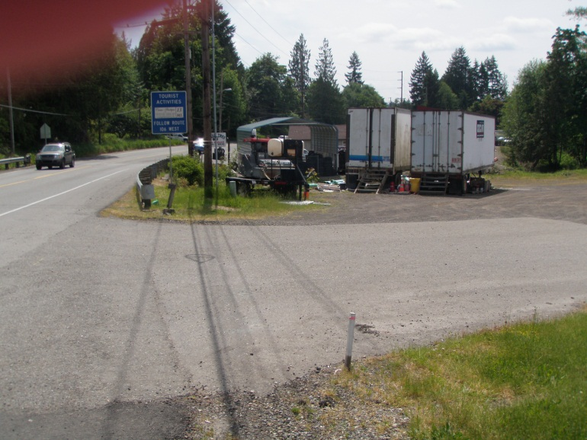
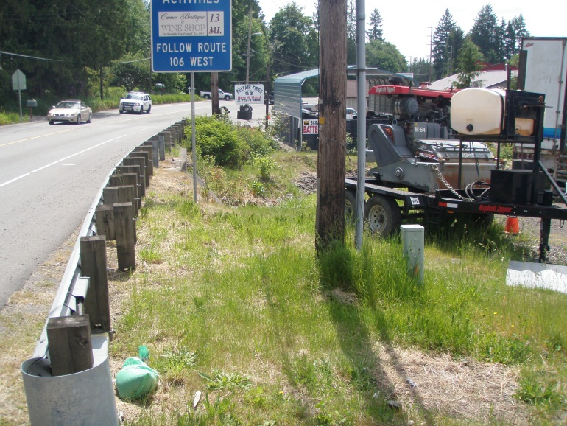
 |  |  |  | PE Phase Cost Estimate
 |  |  |  | Group |  |  |  | Budget
 |  |  |  | Staff |  |  |  | $800,000
 |  |  |  | Overhead |  |  |  | $350,000
 |  |  |  | Geotech |  |  |  | $68,800
 |  |  |  | Traffic |  |  |  | $180,000
 |  |  |  | EHS |  |  |  | $170,200
 |  |  |  | OR Hydraulics |  |  |  | $12,900
 |  |  |  | Roadside Restoration |  |  |  | $30,100
 |  |  |  | Plans |  |  |  | $43,000
Current Risks (See Risk Matrix for Comprehensive Information) |  |  |  | HQ ROW Office |  |  |  | $17,200
Risk | Schedule Impact |  | Budget Impact | HQ Hydraulics |  |  |  | $4,300
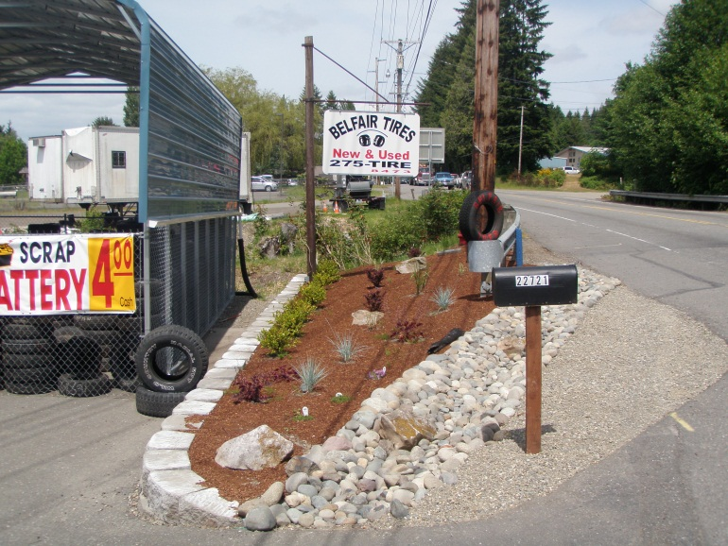
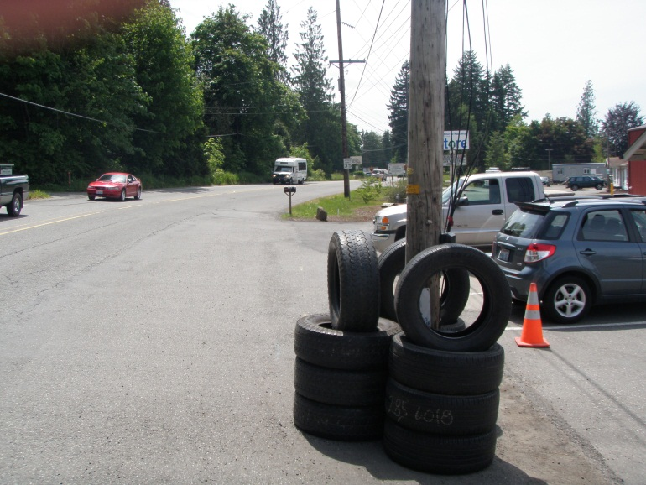
ROW Acquisition |  |  |  | Utilities |  |  |  | $34,400
Utility Relocation |  |  |  | Materials |  |  |  | $12,900
Belfair Water Line Relocation |  |  |  | Maintenance |  |  |  | $3,440
Mindy & Belfair Creek Fish Passage Unk's |  |  |  | Port Orchard PEO |  |  |  | $43,000
 |  |  |  | HQ Environmental |  |  |  | $8,600

 |  |  |  | TOTAL |  |  |  | $1,778,840

Endorsed by Project Development Engineer on: PENDING |  | Note: This PMP must be placed in each team member office and updated when any data element is revised. Pictures are alternated with project maps, current site status or team/ team member successes.

